Sheet1
SUPER MATERIALS ONE MEMBER COMPANY LIMITED
Tax Code. 0315502282 | Postal Code. 700000
A. 187/7 Dien Bien Phu Street, Da Kao Ward, District 1, Ho Chi Minh City, Vietnam
T. +84 98 9944 746 | F. -
E. purchasing@ss-materials.com | W. www.ss-materials.com
PURCHASE ORDER
PO No.: SM-SGSM/230919
Date: Sept 23, 2019
 |  |  |  |  |  |  | Number of page: 02
FROM: SUPER MATERIALS ONE MEMBER COMPANY LIMITED A. 187/7 Dien Bien Phu Street, Da Kao Ward, District 1 Ho Chi Minh City, Vietnam T. +84 98 9944 746 | F. - |  |  |  | TO: SG SPECIALTY METALS PTE. LTD. A. 32 Penhas Road #01-01, Singapore 208191 T. +65 6398 1118 | F. Attn: JOANNE TAY

Thank you for your quote #Q606654, we are pleased to ORDER the following materials:

No. | Items and Description |  |  | Quantity (Pc) | Total Weight (Kg) | Unit Price (USD/Pc) | Total Price (USD)
1 | GR. 410 COND. A - ASTM A276/A479; UNS S41000 |  |  | 1 | 6.7 | 38.00 | 38.00
 | Mill Origin: SeAH CSS / Korea
 | Heat No.: N17602
 | Dimension: Dia. 76.2mm x 185mmLg
2 | GR. 410 COND. A - ASTM A276/A479; UNS S41000 |  |  | 1 | 3.6 | 20.50 | 20.50
 | Mill Origin: Acciaierie Valbruna / Italy
 | Heat No.: 427733
 | Dimension: Dia. 152.4mm x 25mmLg
3 | GR. 410 COND. A - ASTM A276/A479; UNS S41000 |  |  | 1 | 9.3 | 44.00 | 44.00
 | Mill Origin: Posco Specialty Steel / Korea
 | Heat No.: N02436
 | Dimension: Dia. 165.1mm x 55mmLg
4 | GR. 410 COND. A - ASTM A276/A479; UNS S41000 |  |  | 1 | 57.4 | 248.00 | 248.00
 | Mill Origin: Acciaierie Valbruna / Italy
 | Heat No.: 273245
 | Dimension: Dia. 304.8mm x 100mmLg
5 | GR. 410 COND. A - ASTM A276/A479; UNS S41000 |  |  | 1 | 14.3 | 62.00 | 62.00
 | Mill Origin: Acciaierie Valbruna / Italy
 | Heat No.: 273245
 | Dimension: Dia. 304.8mm x 25mmLg
6 | GR. 410 COND. A - ASTM A276/A479; UNS S41000 |  |  | 1 | 1.5 | 8.50 | 8.50
 | Mill Origin: Acciaierie Valbruna / Italy
 | Heat No.: 275722
 | Dimension: Dia. 88.9mm x 30mmLg
7 | GR. 410 COND. A - ASTM A276/A479; UNS S41000 |  |  | 1 | 1.1 | 6.50 | 6.50
 | Mill Origin: SeAH CSS / Korea
 | Heat No.: N17602
 | Dimension: Dia. 76.2mm x 30mmLg
8 | GR. 630 H1075 - 17-4PH; ASTM A564; UNS S17400 |  |  | 1 | 2.8 | 19.00 | 19.00
 | Mill Origin: Posco Specialty Steel / Korea
 | Heat No.: N03011
 | Dimension: Dia. 41.28mm x 270mmLg
9 | GR. 630 H1075 - 17-4PH; ASTM A564; UNS S17400 |  |  | 1 | 7.7 | 51.00 | 51.00
 | Mill Origin: Posco Specialty Steel / Korea
 | Heat No.: N03011
 | Dimension: Dia. 57.15mm x 385mmLg
10 | GR. 630 H1075 - 17-4PH; ASTM A564; UNS S17400 |  |  | 1 | 9.6 | 63.00 | 63.00
 | Mill Origin: Posco Specialty Steel / Korea
 | Heat No.: N03011
 | Dimension: Dia. 57.15mm x 480mmLg
11 | GR. 630 H1075 - 17-4PH; ASTM A564; UNS S17400 |  |  | 1 | 18.3 | 120.00 | 120.00
 | Mill Origin: SeAH CSS / Korea
 | Heat No.: N18336
 | Dimension: Dia. 76.2mm x 500mmLg
12 | GR. 630 H1075 - 17-4PH; ASTM A564; UNS S17400 |  |  | 1 | 19.1 | 126.00 | 126.00
 | Mill Origin: SeAH CSS / Korea
 | Heat No.: N18336
 | Dimension: Dia. 76.2mm x 520mmLg
TOTAL |  | EXW SINGAPORE |  |  | 151.4 | USD | 806.50

* Lead time: |  |  | 3 to 4 working days.
* Delivery term: |  |  | EXW SINGAPORE.
* Payment: |  |  | 100% in advance.
* Required documents: |  |  | Certificate of Origin (certified by your company, no need Chamber of Commerce), Mill Test Certificates, Commercial Invoice, Packing List.

* Packing: |  |  | Standard packing for export by sea.
* Marking: |  |  | Round bars have original marking on surface, in case round bars are cut from a long bar please mark Material Grade, Dimension, Mill Maker and Heat Number on its surface by marker.

**All bank charges inside Vietnam are covered by Buyer and all bank charges outside Vietnam has to be covered by Seller.

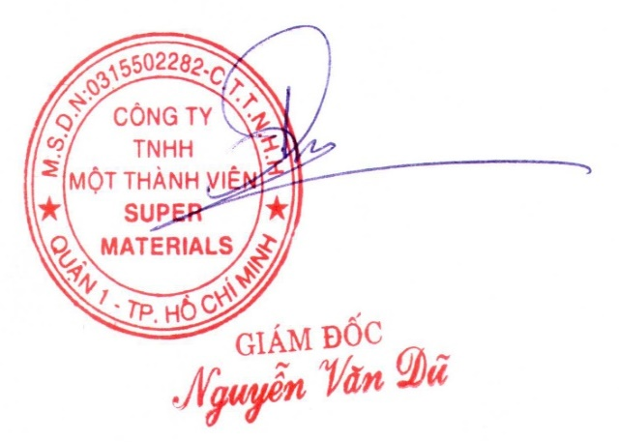
CONFIRMATION OF BUYER |  |  |  | CONFIRMATION OF SELLER

